Push-in Calculator
Just push it!
Push-in spring motor starting solutions

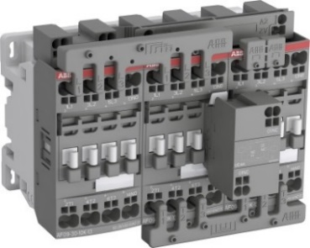

 |  | ASSUMPTIONS

 | Enter the total 3 pole devices purchased per year (Contactors/MMS up to 45A general use) | 6 | Connections per contactor

 | Enter the total cost spent on torque wrench calibrations per year | 10 | Time per screw connection [sec]

 | Enter the total cost per ferrule | 5 | Time per push-in connection [sec]

 | Enter the total devices reworked per year due to loose connections or incorrect torquing | 5 | Time per ferrule/wire connection [sec]

 | Enter estimated fully burdened labor rate (per hour) | $50 | Cost per reworked contactor or quality incident

0 | Total terminal connections per year

$- | Total cost of ferrules per year | $0 | Total annual costs SAVED using Push-in connections

$- | Total labor cost using screw connections per year

$- | Total Cost of Poor Quality using screw connections per year

$- | Total labor/material/quality cost of using screw terminals per year

$- | Total annual labor cost using Push-in connections

$0 | Total annual costs SAVED using Push-in connections

